Timeline
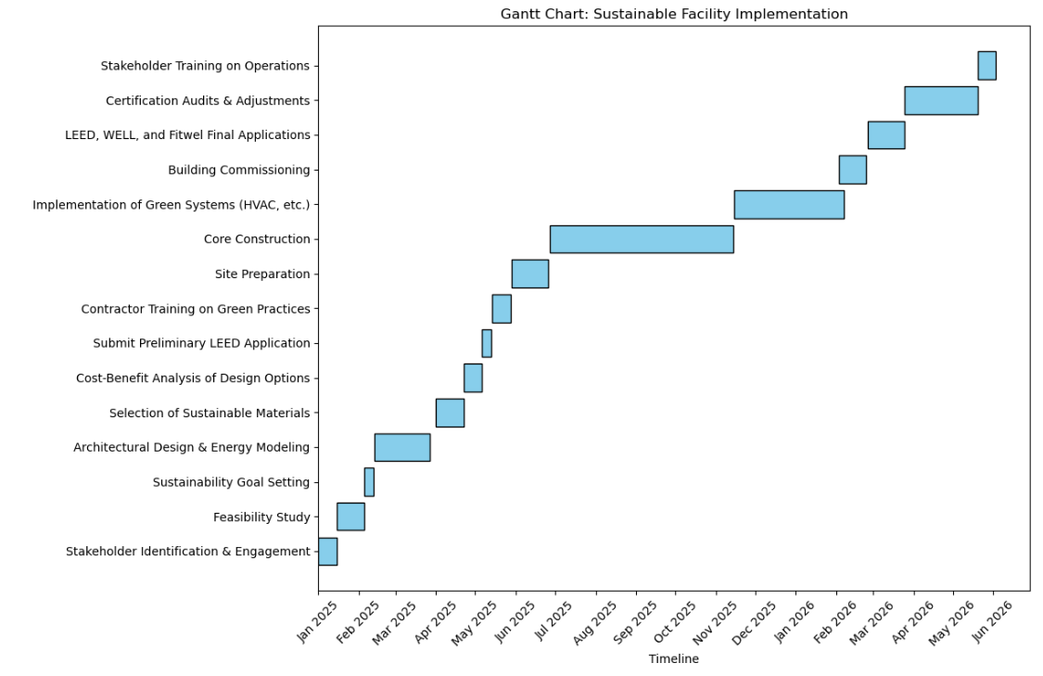
Phase | Task | Duration | Start Date | End Date | Milestones |  | Ghantt Chart
1. Pre-Design | Stakeholder Identification & Engagement | 2 weeks | 1-Jan-25 | 14-Jan-25 | Stakeholder Register Approved
 | Feasibility Study | 3 weeks | 15-Jan-25 | 4-Feb-25 | Feasibility Report Finalized
 | Sustainability Goal Setting | 1 week | 5-Feb-25 | 12-Feb-25 | LEED, WELL, and Fitwel Targets Defined
2. Design | Architectural Design & Energy Modeling | 6 weeks | 13-Feb-25 | 31-Mar-25 | Initial Design Reviewed for LEED Prerequisites
 | Selection of Sustainable Materials | 3 weeks | 1-Apr-25 | 21-Apr-25 | Material Selection Completed
 | Cost-Benefit Analysis of Design Options | 2 weeks | 22-Apr-25 | 5-May-25 | Final Design Approved
 | Submit Preliminary LEED Application | 1 week | 6-May-25 | 13-May-25 | Preliminary Certification Submission Completed
3. Construction | Contractor Training on Green Practices | 2 weeks | 14-May-25 | 28-May-25 | Contractors Certified in Green Construction
 | Site Preparation | 4 weeks | 29-May-25 | 26-Jun-25 | Site Cleared for Construction
 | Core Construction | 20 weeks | 27-Jun-25 | 14-Nov-25 | Structural Completion
 | Implementation of Green Systems (HVAC, etc.) | 12 weeks | 15-Nov-25 | 2-Feb-26 | Systems Installed and Operational
4. Post-Construction | Building Commissioning | 3 weeks | 3-Feb-26 | 24-Feb-26 | Systems Commissioned
 | LEED, WELL, and Fitwel Final Applications | 4 weeks | 25-Feb-26 | 24-Mar-26 | Certification Applications Submitted
5. Certification & Handover | Certification Audits & Adjustments | 8 weeks | 25-Mar-26 | 19-May-26 | Certification Awards
 | Stakeholder Training on Operations | 2 weeks | 20-May-26 | 3-Jun-26 | Building Handed Over to Client

 |  |  |  |  |  | Generated in Jupyter Notebook Python

